Life Cycle Inventory
Manufacture
Materials | Input (ton/total ton input) | Output (ton/total ton input) | Releases to Land (ton/total ton input) | Releases to Air (ton/total ton input) | Releases to Water (ton/ton total input) | Greenhouse Gas Emissions (tons CO2-eq/ton input)
Polyethylene Terephthalate (PET) | 0.146 | 0.146 | Unavailable | Unavailable | Unavailable | 2.428
High Density Polyethylene (HDPE) | 0.172 | 0.172 | Unavailable | Unavailable | Unavailable | 1.689
Polyvinyl Chloride (PVC) | 0.021 | 0.021 | Unavailable | Unavailable | Unavailable | 2.097
Low Density Polyethylene (LDPE) | 0.235 | 0.235 | Unavailable | Unavailable | Unavailable | 1.943
Polylactic Acid (PLA) | 0.002 | 0.002 | Unavailable | Unavailable | Unavailable | 2.306
Polypropylene (PP) | 0.224 | 0.224 | Unavailable | Unavailable | Unavailable | 1.667
Polystyrene (PS) | 0.062 | 0.062 | Unavailable | Unavailable | Unavailable | 2.714
Other Plastics | 0.084 | 0.084 | Unavailable | Unavailable | Unavailable | 2.119
Chemical Additives | 0.054 | 0.054 | Unavailable | Unavailable | Unavailable | 1.102
Total | 1.000 | 1.000 | 0.000 | 0.000 | 0.000 | 18.065
Use
Materials | Input (ton/total ton input) | Output (ton/total ton input) | Releases to Land (ton/total ton input) | Releases to Air (ton/total ton input) | Releases to Water (ton/ton total input) | Greenhouse Gas Emissions (tons CO2-eq/ton input)
Polyethylene Terephthalate (PET) | 0.146 | 0.146 | 0.00000067 | Unavailable | 2.0007E-08 | Unavailable | European Environmental Agency assumed that GHG emissions in the use of plastics is insignificant.
High Density Polyethylene (HDPE) | 0.172 | 0.172 | 0.00000079 | Unavailable | 2.3505E-08 | Unavailable
Polyvinyl Chloride (PVC) | 0.021 | 0.021 | 0.00000010 | Unavailable | 2.8507E-09 | Unavailable
Low Density Polyethylene (LDPE) | 0.235 | 0.235 | 0.00000107 | Unavailable | 3.2082E-08 | Unavailable
Polylactic Acid (PLA) | 0.002 | 0.002 | 0.00000001 | Unavailable | 2.5438E-10 | Unavailable
Polypropylene (PP) | 0.224 | 0.225 | 0.00000103 | Unavailable | 3.0668E-08 | Unavailable
Polystyrene (PS) | 0.062 | 0.062 | 0.00000029 | Unavailable | 8.5359E-09 | Unavailable
Other Plastics | 0.084 | 0.084 | 0.00000038 | Unavailable | 1.1419E-08 | Unavailable
Chemical Additives | 0.054 | 0.053 | 0.00105136 | Unavailable | 3.1400E-05 | Unavailable
Total | 1.000 | 1.000 | 0.001 | 0.000 | 0.000 | 0.000
Collection and Sorting
Materials | Input (ton/total ton input) | Output (ton/total ton input) | Releases to Land (ton/total ton input) | Releases to Air (ton/total ton input) | Releases to Water (ton/ton total input) | Greenhouse Gas Emissions (tons CO2-eq/ton input) | Thus far, no distinction betweenthe GHG emisisons resulted from processing of different polymer type and additives were ever known.
Polyethylene Terephthalate (PET) | 0.146 | 0.133 | 0.013 | Unavailable | 0.00038 | 0.410
High Density Polyethylene (HDPE) | 0.177 | 0.169 | 0.008 | Unavailable | 0.00023 | 0.410
Polyvinyl Chloride (PVC) | 0.023 | 0.023 | 0.000 | Unavailable | 0.00000 | 0.410
Low Density Polyethylene (LDPE) | 0.237 | 0.232 | 0.005 | Unavailable | 0.00015 | 0.410
Polylactic Acid (PLA) | 0.002 | 0.002 | 0.000 | Unavailable | 0.00000 | 0.410
Polypropylene (PP) | 0.215 | 0.214 | 0.000 | Unavailable | 0.00001 | 0.410
Polystyrene (PS) | 0.060 | 0.060 | 0.000 | Unavailable | 0.00001 | 0.410
Other Plastics | 0.086 | 0.075 | 0.011 | Unavailable | 0.00034 | 0.410
Chemical Additives | 0.055 | 0.050 | 0.004 | Unavailable | 0.00012 | 0.410
Total | 1.000 | 0.958 | 0.041 | 0.000 | 0.001 | 3.688
Mechanical Recycling
Materials | Input (ton/total ton input) | Output (ton/total ton input) | Releases to Land (ton/total ton input) | Releases to Air (ton/total ton input) | Releases to Water (ton/ton total input) | Greenhouse Gas Emissions (tons CO2-eq/ton input)
Polyethylene Terephthalate (PET) | 0.288 | 0.298 | 0.00002797 | 0.000000073 | 0.00000084 | -1.246
High Density Polyethylene (HDPE) | 0.127 | 0.131 | 0.00001234 | 0.000000032 | 0.00000037 | -0.970
Polyvinyl Chloride (PVC) | 0.013 | 0.014 | 0.00000127 | 0.000000003 | 0.00000004 | 0.000
Low Density Polyethylene (LDPE) | 0.093 | 0.097 | 0.00000906 | 0.000000024 | 0.00000027 | 0.000
Polylactic Acid (PLA) | 0.000 | 0.000 | 0.00000000 | 0.000000000 | 0.00000000 | 0.000
Polypropylene (PP) | 0.009 | 0.009 | 0.00000087 | 0.000000002 | 0.00000003 | 0.000
Polystyrene (PS) | 0.011 | 0.012 | 0.00000112 | 0.000000003 | 0.00000003 | 0.000
Other Plastics | 0.280 | 0.290 | 0.00002721 | 0.000000071 | 0.00000081 | -1.135
Chemical Additives | 0.178 | 0.149 | 0.00001726 | 0.000000045 | 0.00000052 | -0.537 | Total net GHG from mechanical recycling with respect to processing inputs from MRF, plastic import, and additive processings)
Total | 1.000 | 1.000 | 0.000 | 0.000 | 0.000 | -3.888
Incineration
Materials | Input (ton/total ton input) | Output (ton/total ton input) | Releases to Land (ton/total ton input) | Releases to Air (ton/total ton input) | Releases to Water (ton/ton total input) | Greenhouse Gas Emissions (tons CO2-eq/ton input)
Polyethylene Terephthalate (PET) | 0.139 | 0 | 0.0000135 | 0 | 0.000000402 | 1.367
High Density Polyethylene (HDPE) | 0.171 | 0 | 0.0000166 | 0 | 0.000000497 | 1.400
Polyvinyl Chloride (PVC) | 0.022 | 0 | 0.0000021 | 0 | 0.000000063 | 0.739
Low Density Polyethylene (LDPE) | 0.240 | 0 | 0.0000233 | 0 | 0.000000697 | 1.400
Polylactic Acid (PLA) | 0.002 | 0 | 0.0000002 | 0 | 0.000000006 | 1.378
Polypropylene (PP) | 0.235 | 0 | 0.0000228 | 0 | 0.000000681 | 1.400
Polystyrene (PS) | 0.065 | 0 | 0.0000063 | 0 | 0.000000189 | 1.808
Other Plastics | 0.075 | 0 | 0.0000072 | 0 | 0.000000216 | 2.568
Chemical Additives | 0.051 | 0 | 0.0000050 | 0.0000000000015 | 0.000000148 | 1.119 | (Accounts for total process, which includes nonplastics, plastics, and additives)
Total | 1.000 | 0.000 | 0.000 | 0.000 | 0.000 | 13.178
Landfilling
Materials | Input (ton/total ton input) | Output (ton/total ton input) | Releases to Land (ton/total ton input) | Releases to Air (ton/total ton input) | Releases to Water (ton/ton total input) | Greenhouse Gas Emissions (tons CO2-eq/ton input)
Polyethylene Terephthalate (PET) | 0.134 | 0 | 0.01857 | 0 | 0.00055463638119 | 0.044
High Density Polyethylene (HDPE) | 0.171 | 0 | 0.02182 | 0 | 0.00065159535701 | 0.044
Polyvinyl Chloride (PVC) | 0.023 | 0 | 0.00265 | 0 | 7.90257969E-05 | 0.044
Low Density Polyethylene (LDPE) | 0.244 | 0 | 0.02978 | 0 | 0.00088935773706 | 0.044
Polylactic Acid (PLA) | 0.002 | 0 | 0.00024 | 0 | 7.0517790026E-06 | 0.044
Polypropylene (PP) | 0.242 | 0 | 0.02847 | 0 | 0.00085016704591 | 0.044
Polystyrene (PS) | 0.067 | 0 | 0.00792 | 0 | 0.00023662825324 | 0.044
Other Plastics | 0.069 | 0 | 0.01060 | 0 | 0.0003165524738 | 0.044
Chemical Additives | 0.049 | 0 | 0.00689 | 0 | 0.00020579863017 | 0.044 | Value lumped in with plastic
Total | 1.000 | 0.000 | 0.127 | 0.000 | 0.004 | 0.353

Release to Water
In 2010, Global plastic waste = 275 million tons. Coastal plastic waste generated within 50 km of the coastline = 99.5 million tons
Of the 99.5 million tons of coastal plastic waste, 31.9 million tons are mismanaged or insecurely stored. Approximately 8 million tons of plastics is released to the ocean/yr
The rates reported are for global value. The ratio is assumed constant (8 million tons into water/275 million tons waste generated) = 0.029 or 2.9% release of plastics released to land ends up in the ocean
https://ourworldindata.org/plastic-pollution
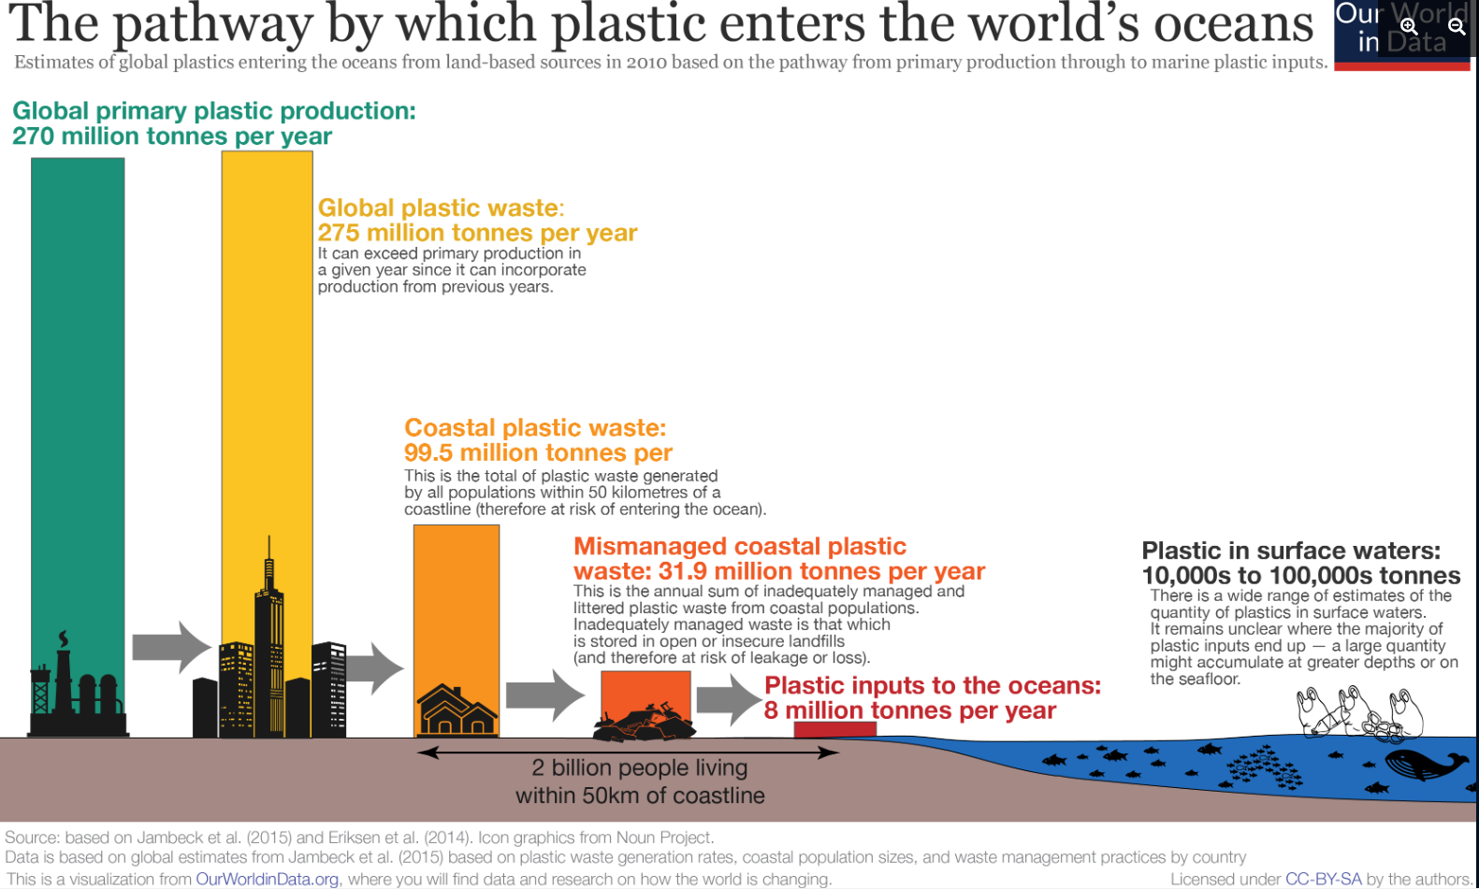

J. Zheng and S. Suh, “Strategies to reduce the global carbon footprint of plastics,” Nature Climate Change, vol. 9, no. 5, pp. 374–378, May 2019, doi: 10.1038/s41558-019-0459-z.
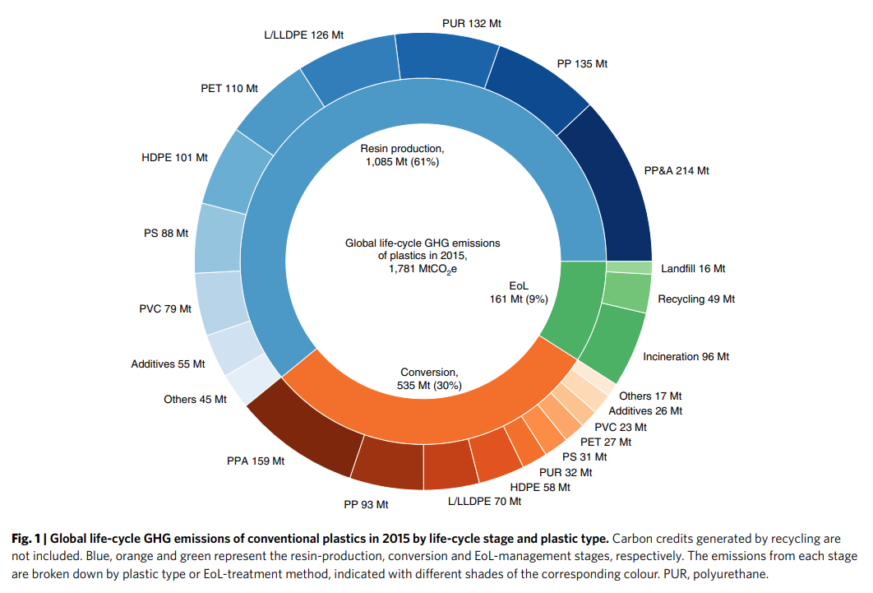

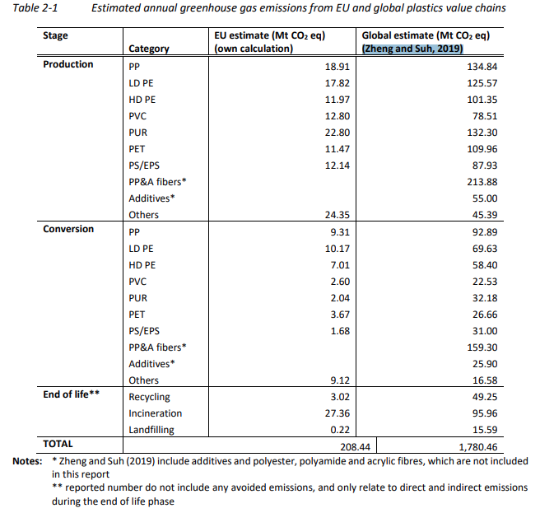
European Environmental Agency - Greenhouse gas emissions and natural capital implications of plastics (including biobased plastics) 2021
 |  |  | Total Plastic Production = MT ( in 2015) | 380
 |  |  | Resin Production (Manufacturing)
 |  |  | Material | Global Estimate (MT CO2-eq) | GHG in Manufacturingto production (MT CO2-eq/MT)
 |  |  | Polyethylene Terephthalate (PET) | 109.96 | 0.29
 |  |  | High Density Polyethylene (HDPE) | 101.35 | 0.27
 |  |  | Polyvinyl Chloride (PVC) | 78.51 | 0.21
 |  |  | Low Density Polyethylene (LDPE) | 125.57 | 0.33
 |  |  | Polylactic Acid (PLA) | - | 0.00
 |  |  | Polypropylene (PP) | 213.88 | 0.56
 |  |  | Polystyrene (PS) | 87.93 | 0.23
 |  |  | Other Plastics (PLA + Polyurethane + Others) | 177.69 | 0.47
 |  |  | Chemical Additives | 55 | 0.14
 |  |  | Conversion (Manufacturing)
 |  |  |  | Global Estimate (MT CO2-eq) | GHG in Manufacturingto production (MT CO2-eq/MT)
 |  |  | Polyethylene Terephthalate (PET) | 26.66 | 0.07
 |  |  | High Density Polyethylene (HDPE) | 58.4 | 0.15
 |  |  | Polyvinyl Chloride (PVC) | 22.53 | 0.06
 |  |  | Low Density Polyethylene (LDPE) | 69.63 | 0.18
 |  |  | Polylactic Acid (PLA) | - | 0.00
 |  |  | Polypropylene (PP) | 92.89 | 0.24
 |  |  | Polystyrene (PS) | 31 | 0.08
 |  |  | Other Plastics (PLA + Polyurethane + Others) | 48.76 | 0.13
 |  |  | Chemical Additives | 25.9 | 0.07

 |  |  | Total GHG from plastics | 3.27568421052632
 |  |  | Fraction of GHG from additives relative to plastics | 0.0650 | (Serves as a multiplier based on total GHG emissions from plastics)

Stream 19 - Contamination
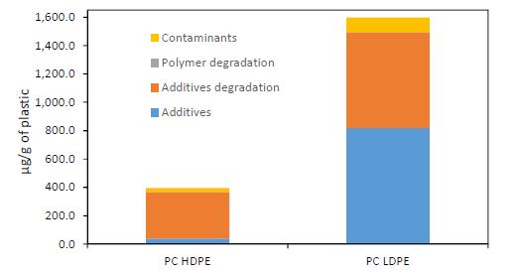
Chemicals found in PC plastic | PC HDPE Concentration (Approx μg/g) | % in PC HDPE | PC LDPE Concentration (Approx μg/g) | % in PC LDPE
Contaminants | 30 | 0.003 | 100 | 0.01
Polymer degradation products | 0 | 0 | 0 | 0
Additive degradation products | 330 | 0.033 | 700 | 0.07
Additives | 30 | 0.003 | 800 | 0.08

Chemicals found in PC plastic | Typical % | Average %
Contaminants | 0.003 - 0.01 | 0.0065
Polymer degradation products | 0 | 0
Additive degradation products | 0.033 - 0.07 | 0.0515
Additives | 0.003 - 0.08 | 0.0415

Stream 19 Additive Contamination Calculation | Stream 16 | Stream 16 Composition | Stream 19 (Assuming constant ratio lost)
Plasticizer | 50,266 | 0.3149 | 17874 |  | O. Horodytska, A. Cabanes, and A. Fullana, “Non-intentionally added substances (NIAS) in recycled plastics,” Chemosphere, vol. 251, p. 126373, Jul. 2020, doi: 10.1016/j.chemosphere.2020.126373.
Flame Retardant | 9,510 | 0.0596 | 3382
UV/Heat Stabilizer | 11,964 | 0.0750 | 4254
Antioxidant | 4,778 | 0.0299 | 1699
Slip Agents | 702 | 0.0044 | 250
Lubricants | 503 | 0.0031 | 179
Antistatics | 924 | 0.0058 | 328
Curing Agents | 503 | 0.0031 | 179
Blowing Agents | 2,513 | 0.0157 | 894
Biocides | 5 | 0.0000 | 2
Colorant | 2,332 | 0.0146 | 829
Organic Pigment | 14 | 0.0001 | 5
Clarifier/Toner | 141 | 0.0009 | 50
Inorganic Pigments | 50 | 0.0003 | 18
Fillers | 5 | 0.0000 | 2
Reinforcement | 75,399 | 0.4724 | 26811
Total Additive | 159,607 | 1 | 56,755

